Support
LLMHC | MAY | UBS | Keybank - Fund II | First State Bank
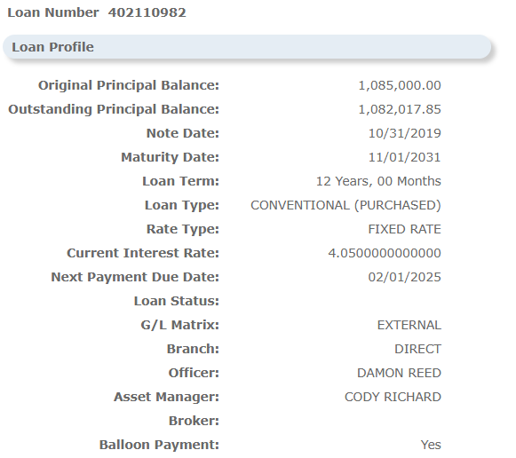
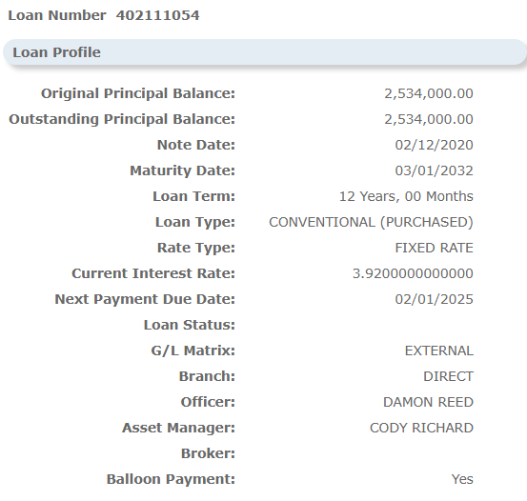
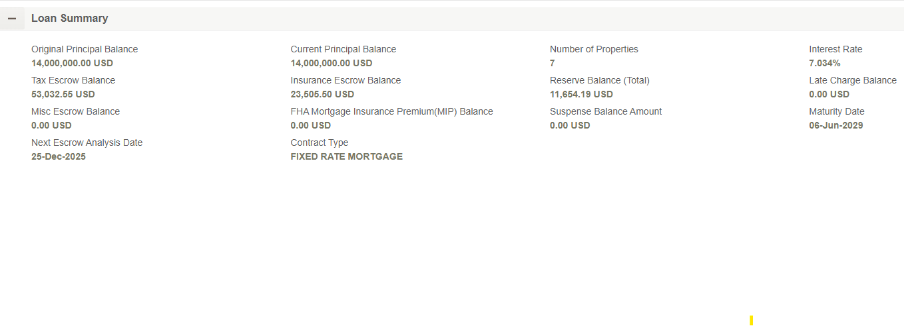

 |  |  | Keybank - WSRED

